Lifecycle
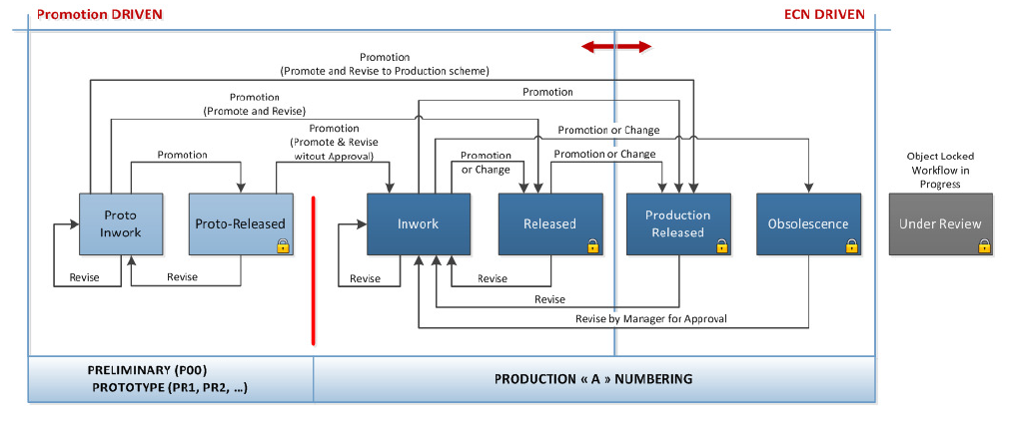
 | Please refer to Lifcycle Template Administration for more detail on transition |  | x | In Evaluation if needed
 |  |  |  |  |  |  |  |  |  |  |  | See Lifecycle : | ** For Graphic refer to Specification 0000004514 in Windchill WTObject Lifecycle
List of Lifecycle state used in Camso LF | Domain | Name | Type | State
Canceled | EPMDoc and WTPart Lifecycle
Closed | ORG LEVEL / Camoplast-TS | Camoplast-TS Product Development Lifecycle | Basic | State
Closing Pending |  |  |  | Prototype In Work | Prototype Released | In Work | Released | Production Released | Obsolescence | Under Review
Compeled | ORG LEVEL / Camoplast-TS | Camoplast-TS Product Development for CAD Doc | Basic | State
Development |  |  |  | Prototype In Work | Prototype Released | In Work | Released | Production Released | Obsolescence | Under Review
Implementation | ORG LEVEL / Camoplast-TS | Camso MS ToolingDevelopment Life Cycle | Basic | State
In Progress |  |  |  | In-Work | Released | Obsolescence | Under Review
In Work | ORG LEVEL / Camoplast-TS | Camso-Tire Product Development Life Cycle | Basic | State
Obsolescence |  |  |  | In-Work | Prototype Released | Released | Production Released | Obsolescence | Under Review
Obsolete | Wt Document Lifecycle
Open | ORG LEVEL / Camoplast-TS | Camoplast-TS Basic Lifecycle | Advanced | State
Pending |  |  |  | In-Work | Released | Obsolete | Under Review
Production Released | Change Request Life Cycle
Prototype In Work | ORG LEVEL / Camoplast-TS | Camoplast Change Request Life Cycle | Advanced | State
Prototype Released |  |  |  | Open | Implementation | Under Review | Resolved | Canceled
Ready For Delivery | Change Notice Life Cycle
Released | ORG LEVEL / Camoplast-TS | Camoplast Change Notice Life Cycle | Advanced | State
Resolved |  |  |  | Open | Implementation | Under Review | Released | Closing Pending | Resolved | Canceled
Submitting | Change Activity Life Cycle
Under Review | ORG LEVEL / Camoplast-TS | Camoplast … ... Change Activity Life Cycle | Advanced | State
Work In Progress |  |  |  | Open | Implementation | Under Review | Released | Canceled
 | Package Life Cycle
 | ORG LEVEL / Camoplast-TS | Camoplast-TS Package LC | Advanced | State
 |  |  |  | Open | Ready For Delivery | In Progress | Compeled
 | Analyse Work WTPart
 | ORG LEVEL / Camoplast-TS | Camso TS Analysis Work Life Cycle | Advanced | State
 |  |  |  | Open | Submitting | Pending | Work In Progress | Compeled | Closed | Canceled | Under Review
 | Load Case Document Life Cycle
 | ORG LEVEL / Camoplast-TS | Camso TS FEA Load Case Life Cycle | Advanced | State
 |  |  |  | Open | In-Work | Released | Canceled | Under Review
 | Camso Compound Document Life Cycle
 | ORG LEVEL / Camoplast-TS | Camso-Compound Basic Life Cycle | Advanced | State
 |  |  |  | Development | Prototype Released | In Work | Production Released | Obsolete | Under Review
 | Camso PS Design Plan Life Cycle
 | ORG LEVEL / Camoplast-TS | Camso-Compound Basic Life Cycle | Advanced | State
 |  |  |  | Open | In Work | Prototype Released | Production Released | Canceled

Layouts (To Review)
* Manage at the Organisation level (Utilities/Type and Attributes Management)
EPM Document
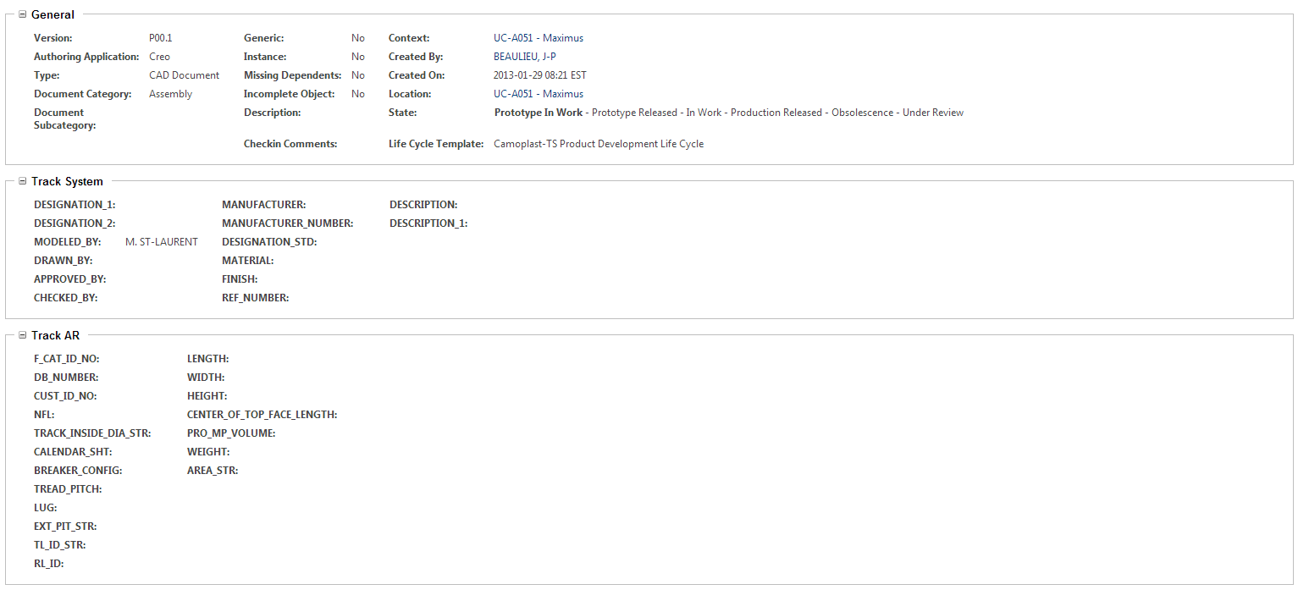

WTPART
AG & Powersport

Track AR
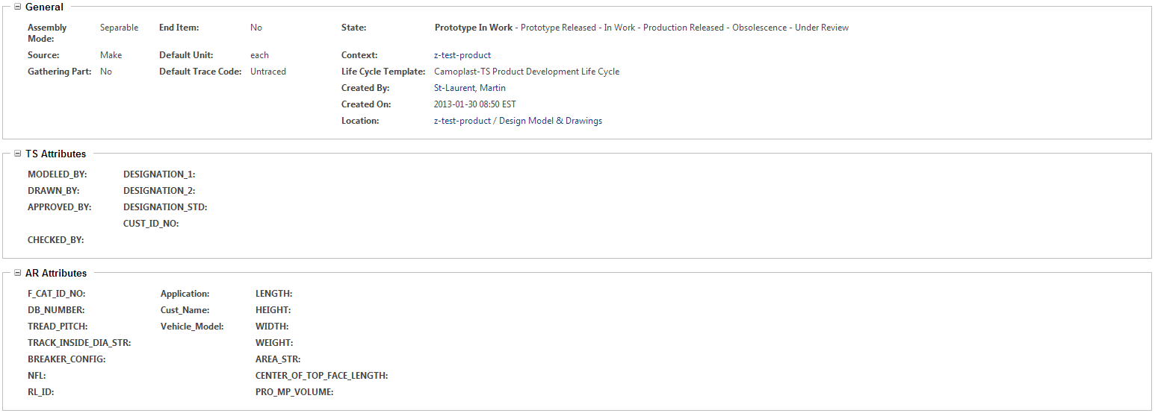

Construction

WTDocument - Derived CAD Document/General Doc / Master Spec-Restricted Spec/Publication

